Sheet2
Row Labels | Sum of Sales
Accessories | 4.46%
Electronic | 95.54%
Grand Total | 100.00%

Sales per quarter

Row Labels | Sum of Sales
Q1 | 111,081,000
Q2 | 114,664,000
Q3 | 119,113,500
Q4 | 113,568,000
Grand Total | 458,426,500

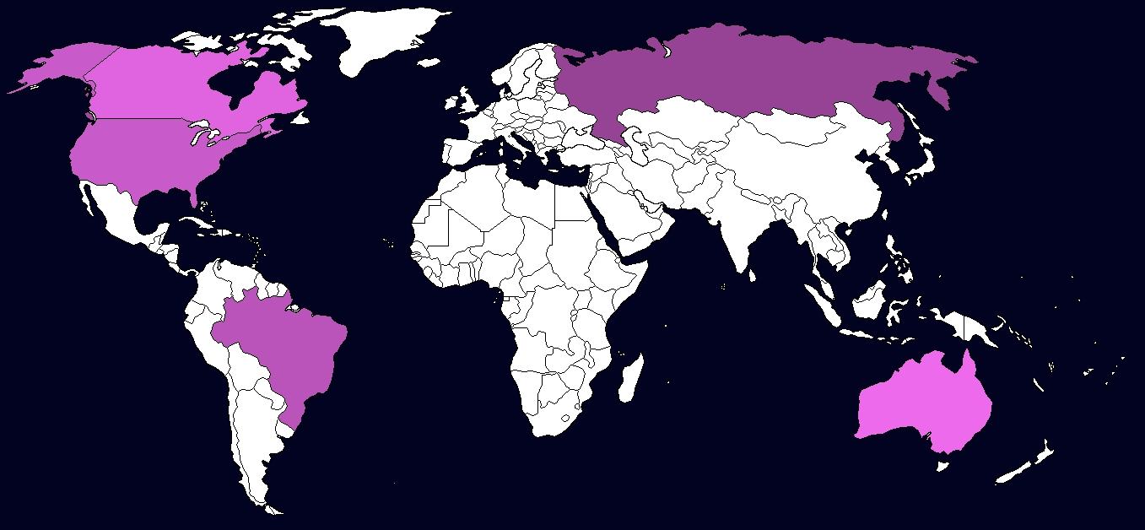
 | australia
 |  |  |  |  | Australia | y | 9,882,000
 |  |  |  |  | Brazil | 1 | 53,933,500
 |  |  |  |  | Canada | 2 | 17,315,000
 |  |  |  |  | Russia | 3 | 342,356,000
 |  |  |  |  | USA |  | 34,940,000

Row Labels | Sum of Sales
Australia | 9,882,000 |  |  |  | Australia |  | 9,882,000
Brazil | 53,933,500 |  |  |  | Brazil |  | 53,933,500
Canada | 17,315,000 |  |  |  | Canada |  | 17,315,000
Russia | 342,356,000 |  |  |  | Russia |  | 342,356,000
USA | 34,940,000 |  |  |  | USA |  | 34,940,000
Grand Total | 458426500

 |  |  | x | y | country |  | sales
 |  |  | 8.3 | 2.2 | australia |  | 9,882,000
 |  |  | 2.3 | 3.3 | brazil |  | 53,933,500
 |  |  | 1 | 8.5 | canada |  | 17,315,000
 |  |  | 6.5 | 9 | russia |  | 342,356,000
 |  |  | 1 | 7.2 | usa |  | 34,940,000

 | Row Labels | Sum of Sales
 | Jan | 44,684,000
 | Feb | 35,307,000
 | Mar | 31,090,000
 | Apr | 53,182,000
 | May | 33,082,000
 | Jun | 28,400,000
 | Jul | 54,162,000
 | Aug | 29,851,500
 | Sep | 35,100,000
 | Oct | 44,746,500
 | Nov | 51,606,500
 | Dec | 17,215,000
 | Grand Total | 458426500

Row Labels | Sum of Sales
Branch A | 18,857,000
Branch B | 12,481,500
Branch C | 15,935,000
Branch D | 297,000
Branch E | 3,350,000
Branch F | 5,695,000
Branch G | 540,000
Branch H | 2,800,000
Branch I | 6,210,000
Branch J | 116,984,000
Branch K | 119,020,500
Branch L | 107,341,500
Branch M | 19,940,000
Branch N | 15,125,000
Branch O | 13,850,000
Grand Total | 458,426,500

 |  |  |  |  |  |  |  | x | y | city | sales
 |  | 5.7 | 1 | australia | 9,882,000 |  |  | 5.7 | 1 | australia | 9,882,000
 |  | 2.3 | 1.5 | brazil | 53,933,500 |  |  | 2.3 | 1.5 | brazil | 53,933,500
 |  | 2.7 | 8 | canada | 17,315,000 |  |  | 2.7 | 8 | canada | 1,731,500
 |  | 7.4 | 8 | russia | 342,356,000 |  |  | 7.4 | 8 | russia | 342,356,000
 |  | 2.4 | 6.5 | usa | 34,940,000 |  |  | 2.4 | 6.5 | usa | 34,940,000

Sheet3
Sales per quarter
Sales per month
 | Total
Branch A | 18,857,000
Branch B | 12,481,500
Branch C | 15,935,000
Branch D | 297,000
Branch E | 3,350,000
Branch F | 5,695,000
Branch G | 540,000
Branch H | 2,800,000
Branch I | 6,210,000
Branch J | 116,984,000
Branch K | 119,020,500
Branch L | 107,341,500
Branch M | 19,940,000
Branch N | 15,125,000
Branch O | 13,850,000

Sales per category
 | Total
Accessories | 4.46%
Electronic | 95.54%
Sales per quarter
 | Total
Q1 | 111,081,000
Q2 | 114,664,000
Q3 | 119,113,500
Q4 | 113,568,000

Sales per city

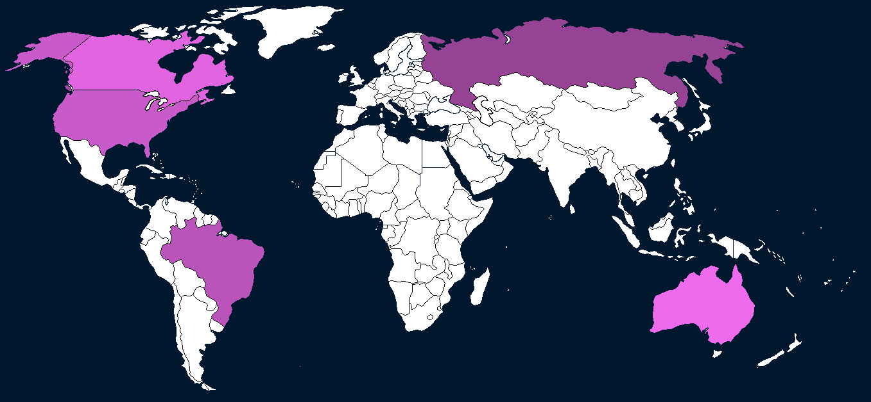

Sales per month
 | Total
Jan | 44,684,000
Feb | 35,307,000
Mar | 31,090,000
Apr | 53,182,000
May | 33,082,000
Jun | 28,400,000
Jul | 54,162,000
Aug | 29,851,500
Sep | 35,100,000
Oct | 44,746,500
Nov | 51,606,500
Dec | 17,215,000

Row Labels | Sum of x | Sum of y | Sum of sales
australia | 5.7 | 1 | 9,882,000
brazil | 2.3 | 1.5 | 53,933,500
canada | 2.7 | 8 | 1,731,500
russia | 7.4 | 8 | 342,356,000
usa | 2.4 | 6.5 | 34,940,000
Grand Total | 20.5 | 25 | 442,843,000

